Dash board
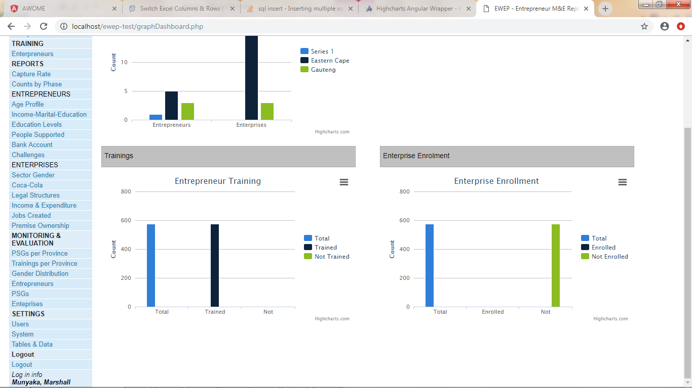
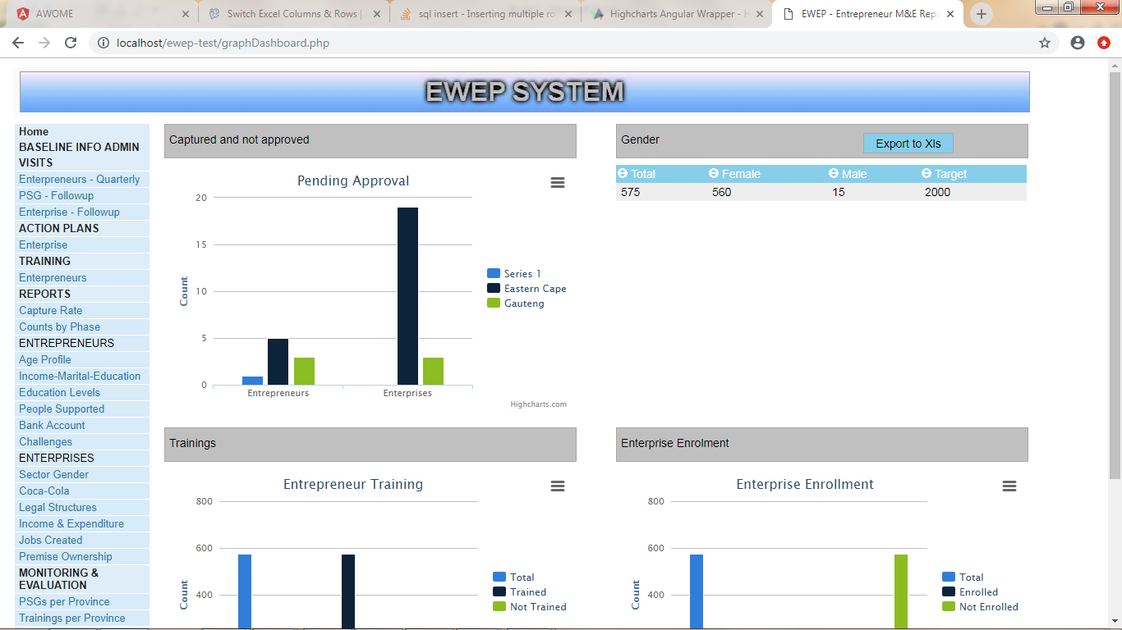

Number of Entapuners and Enterprise by provance

Hard code Targer of 500

